Sheet1
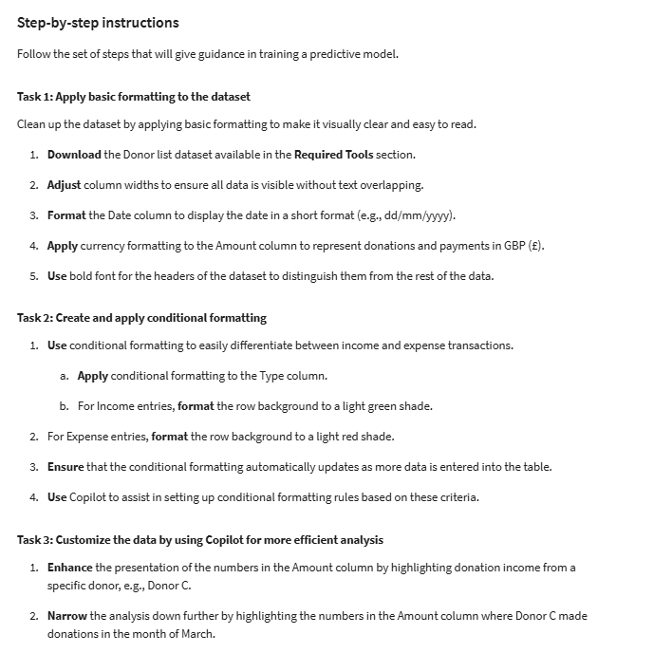
Date | Donor/Expense | Description | Type | Amount
2024-01-01 | Donor D | Donation | Income | 4778.21
2024-01-05 | Donor C | Donation | Income | 4008.61
2024-01-09 | Donor E | Donation | Income | 1202.08
2024-01-14 | Donor C | Donation | Income | 949.89
2024-01-18 | Donor C | Donation | Income | 4397.79
2024-01-22 | Donor D | Donation | Income | 1142.9
2024-01-27 | Donor C | Donation | Income | 592.63
2024-01-31 | Donor B | Donation | Income | 3748.99
2024-02-04 | Donor B | Donation | Income | 1318.21
2024-02-09 | Donor E | Donation | Income | 3278.67
2024-02-13 | Donor B | Donation | Income | 2861.4
2024-02-17 | Donor D | Donation | Income | 603.78
2024-02-22 | Donor C | Donation | Income | 3253.34
2024-02-26 | Donor B | Donation | Income | 710
2024-03-01 | Donor D | Donation | Income | 2148.63
2024-03-06 | Donor C | Donation | Income | 2221.08
2024-03-10 | Donor D | Donation | Income | 3165.87
2024-03-14 | Donor C | Donation | Income | 4369.73
2024-03-19 | Donor E | Donation | Income | 2527.25
2024-03-23 | Donor B | Donation | Income | 4769.98
2024-03-27 | Donor D | Donation | Income | 3034.8
2024-04-01 | Donor B | Donation | Income | 1870.76
2024-04-05 | Donor E | Donation | Income | 1539.02
2024-04-09 | Donor D | Donation | Income | 2480.69
2024-04-14 | Donor D | Donation | Income | 2728.3
2024-04-18 | Supplies | Payment | Expense | 2737.03
2024-04-23 | Salaries | Payment | Expense | 628.48
2024-04-27 | Salaries | Payment | Expense | 1003.96
2024-05-01 | Utilities | Payment | Expense | 1746.33
2024-05-06 | Miscellaneous | Payment | Expense | 2911.8
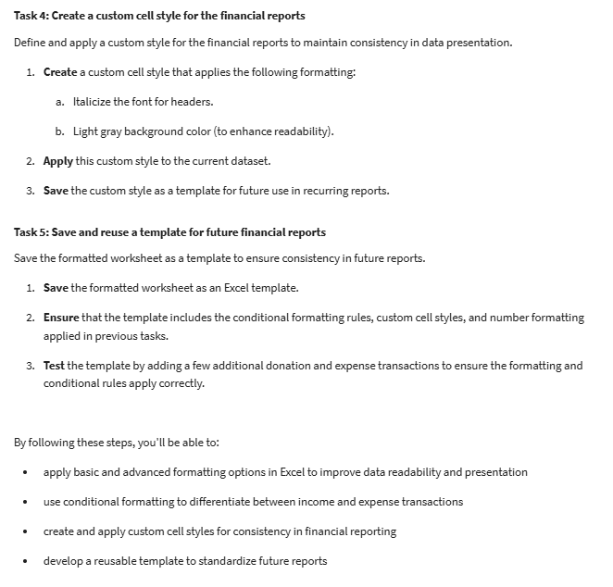
2024-05-10 | Utilities | Payment | Expense | 1404.29
2024-05-14 | Utilities | Payment | Expense | 2695
2024-05-19 | Salaries | Payment | Expense | 231.16
2024-05-23 | Miscellaneous | Payment | Expense | 1227.16
2024-05-27 | Utilities | Payment | Expense | 1665.11
2024-06-01 | Utilities | Payment | Expense | 2899.24
2024-06-05 | Salaries | Payment | Expense | 1673.82
2024-06-09 | Rent | Payment | Expense | 959.19
2024-06-14 | Miscellaneous | Payment | Expense | 316.2
2024-06-18 | Rent | Payment | Expense | 2339.51
2024-06-22 | Salaries | Payment | Expense | 951.12
2024-06-27 | Supplies | Payment | Expense | 676.64
2024-07-01 | Supplies | Payment | Expense | 2391.51
2024-07-05 | Supplies | Payment | Expense | 314.73
2024-07-10 | Utilities | Payment | Expense | 436.02
2024-07-14 | Rent | Payment | Expense | 1907.56
2024-07-18 | Utilities | Payment | Expense | 376.69
2024-07-23 | Miscellaneous | Payment | Expense | 2215.86
2024-07-27 | Supplies | Payment | Expense | 1727.61
2024-08-01 | Supplies | Payment | Expense | 446.82

